DASH
Bee Population Analysis Dashboard

Q1 Population distribution by county |  | Q3 Bee type with highest decline in workers over three years | Q4 Habitat's impact on populations of Queens, workers, and males
Population distribution by county (2015)
 | Sum of Queens | Sum of workers | Sum of males
Bruce | 53 | 75 | 3
Chatham-Kent | 2 | 67 | 10
Elgin | 33 | 92 | 18
Essex | 3 | 156 | 24
Hamilton | 0 | 56 | 1
Huron | 15 | 16 | 0
Lambton | 8 | 65 | 24
Middlesex | 34 | 312 | 51
Niagara | 0 | 50 | 0
Oxford | 1 | 102 | 26
Perth | 1 | 87 | 12
Wellington | 0 | 30 | 2
Total Workers in 2015
 | Total
impatiens | 432
griseocollis | 262
bimaculatus | 189
vagans | 151
rufocinctus | 35
fervidus | 23
borealis | 10
perplexus | 4
pensylvanicus | 2
Habitat's impact in 2015
 | Sum of Queens | Sum of workers | Sum of males
Agriculture | 75 | 558 | 80
Semi-natural remnant | 75 | 550 | 91

 | Q2 Top and Bottom Bee Types
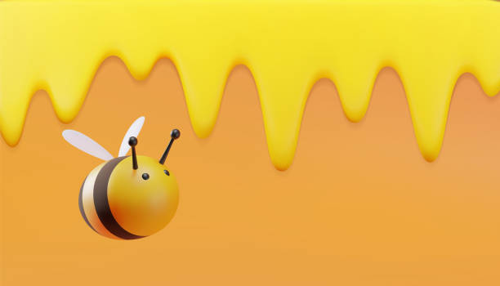
The same bee types are top and bottom three for 2015 & 2017, and only the fervidus is different in 2016.

Total Workers in 2016
 | Total
impatiens | 352
bimaculatus | 268
griseocollis | 243
rufocinctus | 62
vagans | 46
borealis | 17
fervidus | 15
perplexus | 2
pensylvanicus | 2
Habitat's impact in 2016
 | Sum of Queens | Sum of workers | Sum of males
Agricultural | 80 | 511 | 82
Semi-natural remnant | 63 | 496 | 46
Population distribution by county (2016)
 | Sum of Queens | Sum of workers | Sum of males
Bruce | 8 | 12 | 0
Chatham-Kent | 9 | 49 | 13
Elgin | 15 | 145 | 22
Essex | 2 | 142 | 31
Hamilton | 4 | 54 | 3
Huron | 24 | 23 | 0
Lambton | 0 | 24 | 11
Middlesex | 46 | 230 | 18
Niagara | 1 | 24 | 7
Oxford | 13 | 139 | 7
Perth | 8 | 114 | 13
Wellington | 13 | 51 | 3

Total Workers in 2017
 | Total
impatiens | 519
bimaculatus | 468
griseocollis | 126
rufocinctus | 35
fervidus | 15
vagans | 15
borealis | 7
perplexus | 1
pensylvanicus | 0
Habitat's impact in 2017
 | Sum of Queens | Sum of workers | Sum of males
Agriculture | 52 | 497 | 66
Semi-natural remnant | 66 | 689 | 59

Population distribution by county (2017)
 | Sum of Queens | Sum of workers | Sum of males
Bruce | 8 | 18 | 0
Chatham-Kent | 5 | 43 | 7
Elgin | 21 | 66 | 7
Essex | 26 | 81 | 85
Hamilton | 0 | 68 | 1
Huron | 9 | 133 | 4
Lambton | 2 | 35 | 8
Middlesex | 26 | 308 | 3
Niagara | 0 | 10 | 0
Oxford | 13 | 246 | 7
Perth | 7 | 75 | 0
Wellington | 1 | 103 | 3

Q1
Population distribution by county

Row Labels | Sum of Queens | Sum of workers | Sum of males
Bruce | 53 | 75 | 3
Chatham-Kent | 2 | 67 | 10
Elgin | 33 | 92 | 18
Essex | 3 | 156 | 24
Hamilton | 0 | 56 | 1
Huron | 15 | 16 | 0
Lambton | 8 | 65 | 24
Middlesex | 34 | 312 | 51
Niagara | 0 | 50 | 0
Oxford | 1 | 102 | 26
Perth | 1 | 87 | 12
Wellington | 0 | 30 | 2
Grand Total | 150 | 1108 | 171

Q2-2015
Row Labels | Sum of Queens | Sum of workers | Sum of males
impatiens | 31 | 432 | 62
griseocollis | 34 | 262 | 41
bimaculatus | 14 | 189 | 34
vagans | 9 | 151 | 25
rufocinctus | 26 | 35 | 2
fervidus | 3 | 23 | 1
borealis | 15 | 10 | 1
perplexus | 15 | 4 | 5
pensylvanicus | 3 | 2 | 0
Grand Total | 150 | 1108 | 171

Q2-2016
Row Labels | Sum of Queens | Sum of workers | Sum of males
impatiens | 77 | 352 | 39
bimaculatus | 7 | 268 | 26
griseocollis | 41 | 243 | 13
rufocinctus | 9 | 62 | 3
vagans | 4 | 46 | 46
borealis | 2 | 17 | 1
fervidus | 0 | 15 | 0
perplexus | 0 | 2 | 0
pensylvanicus | 3 | 2 | 0
Grand Total | 143 | 1007 | 128

Q2-2017
Top three and bottom three bee types

Row Labels | Sum of Queens | Sum of workers | Sum of males
impatiens | 36 | 519 | 59
bimaculatus | 23 | 468 | 27
griseocollis | 46 | 126 | 34
rufocinctus | 6 | 35 | 0
fervidus | 5 | 15 | 2
vagans | 1 | 15 | 2
borealis | 1 | 7 | 0
perplexus | 0 | 1 | 1
pensylvanicus | 0 | 0 | 0
Grand Total | 118 | 1186 | 125

